Dashboard
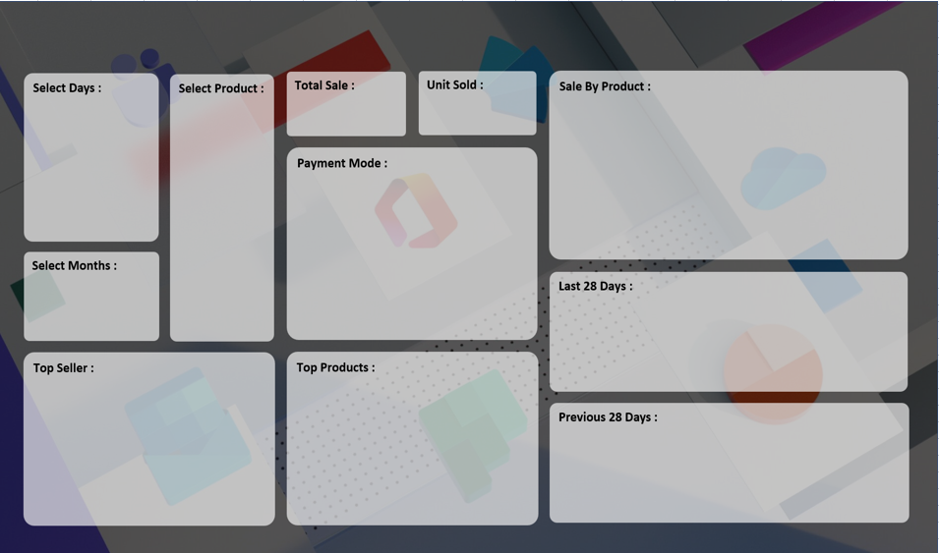
SALES PERFORMANCE DASHBOARD 2022
RR

₹ 17,858,190
7,679
 | Total
Mouse | 787
Scanner | 856
Monitor | 904
Printer | 928
HDD 256 GB | 1295
Keyboard | 1320
SSD 256 GB | 1589

 | Total
Cash | 3974
Online | 3705

 | Total
17-Aug | 14
18-Aug | 41
19-Aug | 66
20-Aug | 74
21-Aug | 39
22-Aug | 45
23-Aug | 80
24-Aug | 87
25-Aug | 104
26-Aug | 129
27-Aug | 127
28-Aug | 135
29-Aug | 141
30-Aug | 141
31-Aug | 150
1-Sep | 166
2-Sep | 181
3-Sep | 209
4-Sep | 181
5-Sep | 197
6-Sep | 199
7-Sep | 186
8-Sep | 209
9-Sep | 144
10-Sep | 275
11-Sep | 240
12-Sep | 296

 | Total
HDD 256 GB | 1295
Keyboard | 1320
SSD 256 GB | 1589

 | Total
ABC Traders | 1669
RG Store | 2151
CCC Mart | 2426

 | Total
20-Jul | 23
21-Jul | 23
22-Jul | 22
23-Jul | 14
24-Jul | 21
25-Jul | 21
26-Jul | 27
27-Jul | 19
28-Jul | 17
29-Jul | 14
30-Jul | 28
31-Jul | 24
1-Aug | 14
2-Aug | 19
3-Aug | 22
4-Aug | 26
5-Aug | 21
6-Aug | 14
7-Aug | 19
8-Aug | 23
9-Aug | 28
10-Aug | 14
11-Aug | 18
12-Aug | 22
13-Aug | 23
14-Aug | 22
15-Aug | 30
16-Aug | 32

Sheet2
 | Total
15-Aug | 24
16-Aug | 19
17-Aug | 9
18-Aug | 32
19-Aug | 66
20-Aug | 35
21-Aug | 30
22-Aug | 39
23-Aug | 68
24-Aug | 70
25-Aug | 82
26-Aug | 79
27-Aug | 127
28-Aug | 105
29-Aug | 108
30-Aug | 77
31-Aug | 118
01-Sep | 132
02-Sep | 181
03-Sep | 127
04-Sep | 97
05-Sep | 197
06-Sep | 156
07-Sep | 163
08-Sep | 121
09-Sep | 110
10-Sep | 219
11-Sep | 240

 | Total
18-Jul | 14
19-Jul | 14
20-Jul | 10
21-Jul | 23
22-Jul | 17
23-Jul | 12
24-Jul | 10
25-Jul | 11
26-Jul | 22
27-Jul | 19
28-Jul | 9
29-Jul | 9
30-Jul | 18
31-Jul | 19
01-Aug | 12
02-Aug | 13
03-Aug | 7
04-Aug | 26
05-Aug | 16
06-Aug | 12
07-Aug | 8
08-Aug | 13
09-Aug | 23
10-Aug | 14
11-Aug | 10
12-Aug | 7
13-Aug | 23
14-Aug | 17

 | Total
17-Aug | 14
18-Aug | 41
19-Aug | 66
20-Aug | 74
21-Aug | 39
22-Aug | 45
23-Aug | 80
24-Aug | 87
25-Aug | 104
26-Aug | 129
27-Aug | 127
28-Aug | 135
29-Aug | 141
30-Aug | 141
31-Aug | 150
1-Sep | 166
2-Sep | 181
3-Sep | 209
4-Sep | 181
5-Sep | 197
6-Sep | 199
7-Sep | 186
8-Sep | 209
9-Sep | 144
10-Sep | 275
11-Sep | 240
12-Sep | 296

 | Total
20-Jul | 23
21-Jul | 23
22-Jul | 22
23-Jul | 14
24-Jul | 21
25-Jul | 21
26-Jul | 27
27-Jul | 19
28-Jul | 17
29-Jul | 14
30-Jul | 28
31-Jul | 24
1-Aug | 14
2-Aug | 19
3-Aug | 22
4-Aug | 26
5-Aug | 21
6-Aug | 14
7-Aug | 19
8-Aug | 23
9-Aug | 28
10-Aug | 14
11-Aug | 18
12-Aug | 22
13-Aug | 23
14-Aug | 22
15-Aug | 30
16-Aug | 32

